Sheet1
 |  | 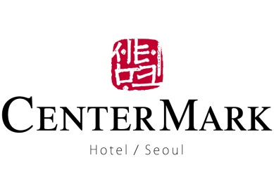
ROOM RESERVATION FORM
2016 Performing Arts Market in Seoul , South Korea
GUEST INFORMATIOIN
FIRST NAME |  | LAST NAME |  | TITLE | Mr. / Ms.
EMAIL ADDRESS |  |  | PHONE NUMBER
ARRIVAL |  |  | NIGHT(S) | 0
DEPARTURE

ROOM SELECTION
TYPE |  | SIZE (sqm) | SPECIAL RATE | SELECTION | BREAKFAST
STANDARD | TWIN (2 SINGLE BEDS) | 23 | KRW 90,000 |  | NO. PERSON
 | DOUBLE (1 DOUBLE BED) | 23 | KRW 90,000 |  | ( )
 | TRIPLE (3 SINGLE BEDS) | 28 | KRW 130,000

* ABOVE RATE IS PER ROOM PER NIGHT, SUBJECT TO 10% OF VALUE ADDED TAX
* BREAKFAST AT KRW 13,200 INCLUSIVE OF VAT, PER PERSON, PER NIGHT

GUARANTEE INFORMATION
□ VISA □ Master □ Diners Club □ American Express □ JCB □ Others
CREDIT CARD NO.
EXPIRY | /

AIRPORT TRANSFER
LUXURY SEDAN (2 ~ 3 persons) |  | VAN (3 ~ 4 Persons) |  | GRAND VAN (6~7 Persons)
FLIGHT NO. |  | ETA

* ABOVE RATE IS PER WAY, PER CAR, INCLUSIVE OF 10% OF VAT.
* GURANTEED BY CREDIT CARD OFFERED ABOVE. (CHANGE AVAILABLE BY 24 HOURS PRIOR TO ARRIVAL)

SPECIAL REQUEST

TERMS & CONDITIONS
* Check-in is from 2:00pm, Check-out time till 12:00nn.
* Early check in & late check out is subject to availability, additional charge would be occurred.
* Cancelation within 48 hours prior to check-in and No-show charged 100% of first night.

CenterMark Hotel, Seoul
38 Insadong 5-gil, Jongno-Gu, Seoul, Korea
Tel: +82 2 731 1000 Fax: +82 2 731 1001 Website http://www.centermarkhotel.com

